AXISONF
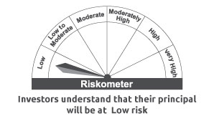
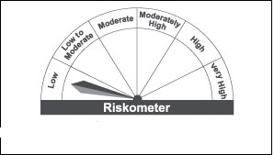
AXISONF | Axis Overnight Fund

 | Monthly Portfolio Statement as on June 30, 2022
 | Name of the Instrument | ISIN | Industry / Rating | Quantity | Market/Fair Value (Rs. in Lakhs) | % to Net Assets | YTM~ | YTC^ | null
 | Money Market Instruments
 | Treasury Bill
TBIL2032 | 91 Days Tbill (MD 07/07/2022) | IN002022X015 | Sovereign | 10,000,000 | 9,992.67 | 0.88% | 4.46%
TBIL2033 | 91 Days Tbill (MD 13/07/2022) | IN002022X023 | Sovereign | 10,000,000 | 9,985.06 | 0.88% | 4.55%
TBIL1999 | 182 Days Tbill (MD 21/07/2022) | IN002021Y452 | Sovereign | 4,500,000 | 4,488.57 | 0.40% | 4.65%
 | Sub Total |  |  |  | 24,466.30 | 2.16%
 | Total |  |  |  | 24,466.30 | 2.16%
 | Reverse Repo / TREPS
TRP_010722 | Clearing Corporation of India Ltd |  |  |  | 1,109,816.95 | 97.72% | 4.66%
 | Sub Total |  |  |  | 1,109,816.95 | 97.72%
 | Total |  |  |  | 1,109,816.95 | 97.72%
 | Net Receivables / (Payables) |  |  |  | 1,372.39 | 0.12%
 | GRAND TOTAL |  |  |  | 1,135,655.64 | 100.00%

 | ~ YTM as on June 30, 2022
 | ^ YTC represents Yield to Call provided by valuation agencies as on June 30 , 2022. It is disclosed for Perpetual Bond issued by Banks (i.e. AT-1 Bond / Tier 1 Bond / Tier 2 Bond), as per AMFI Best Practices Guidelines Circular no. 135/BP/91/2020-21 read with SEBI circular No. SEBI/HO/IMD/DF4/CIR/P/2021/034 on Valuation of AT-1 Bonds and Tier 2 Bonds.

 |  | Benchmark Name - NIFTY 1D RATE INDEX
 | Scheme Risk-O-Meter | Benchmark Risk-O-Meter

